Sheet1
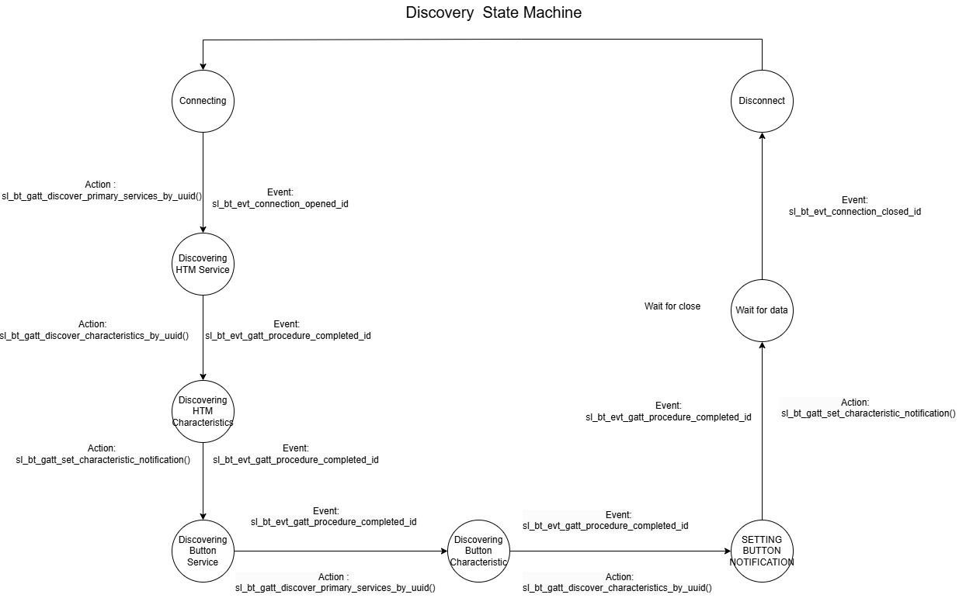
 | Client Command Table for A7

 | Use this table to help you design your program. Add rows as needed. | Use this column to describe when and what your LCD display changes to for rows like DISPLAY_ROW_CONNECTION | Use this column to denote if BT stack events cause your state machine to advance, you can put an X in the cell to note this. Drawing a bubble diagram of your state machine might also be a good idea 👍. | Commands that may be useful: sl_bt_gatt_discover_primary_services_by_uuid() sl_bt_gatt_discover_characteristics_by_uuid()
 | Event | LCD Display State | Advances State Machine | Commands called in response to event | Notes
Events for Clients
 | sl_bt_evt_system_boot_id | DISPLAY_ROW_NAME : Client, DISPLAY_ROW_CONNECTION : Discovering, DISPLAY_ROW_BTADDR : Device Address, DISPLAY_ROW_ASSIGNMENT - A9 |  | This event is generated on stack boot up | You can also document in column D values that need to be saved in response to receiving BT stack events.
 |  |  |  |  | Set phy to 1M and mode to passive scanning
 |  |  |  | sl_bt_scanner_set_parameters() | Set phy to 1M, scan interval to 50ms and scan window to 25ms
 |  |  |  | sl_bt_connection_set_default_parameters() | See the assignment document for these values
 |  |  |  | sl_bt_scanner_start() | You should start and stop scanning just like you did with advertising for a Server.
 |  |  |  | sl_bt_sm_configure()
 |  |  |  | sl_bt_sm_delete_bondings()
 | sl_bt_evt_connection_opened_id | DISPLAY_ROW_CONNECTION : (Connected ) | Connection handle value. X | sl_bt_gatt_discover_primary_services_by_uuid() | Triggered When A BLE connection is successfully established with a server. sl_bt_gatt_discover_primary_services_by_uuid() - Starts discovering primary services that match a specified UUID on a connected BLE server.

 | sl_bt_evt_connection_closed_id | DISPLAY_ROW_CONNECTION : Discovering, DISPLAY_ROW_TEMPVALUE : Clear, DISPLAY_ROW_ACTION : Clear, DISPLAY_ROW_PASSKEY: Clear | X | sl_bt_scanner_start(), sl_bt_sm_delete_bondings() | Triggered when BLE connection is lost or intentionally closed.. sl_bt_scanner_start() - Starts scanning for nearby BLE devices.

 | sl_bt_evt_sm_confirm_passkey_id | DISPLAY_ROW_PASSKEY : display passkey, DISPLAY_ROW_ACTION : Confirm with PB0

 | sl_bt_evt_external_signal_id |  | X | if PB1 is pressed, sl_bt_gatt_read_characteristic_value, if PB0 is pressed, check if bonded, if not, call sl_bt_sm_passkey_confirm(), else run a switch case for button sequuence for toggling the button indications using sl_bt_gatt_set_characteristic_notification() for enaling or disabling the notifications

 | sl_bt_evt_sm_confirm_bonding_id |  | X | sl_bt_sm_bonding_confirm()

 | sl_bt_evt_sm_bonded_id | DISPLAY_ROW_CONNECTION : Bonded, DISPLAY_ROW_PASSKEY : Clear, DISPLAY_ROW_ACTION : Clear

 | sl_bt_evt_sm_bonding_failed

 | sl_bt_evt_system_soft_timer_id |  |  | This event indicates that a soft timer has expired. | Triggered when a software timer event occurs.

 | sl_bt_evt_scanner_scan_report_id |  |  | Received for advertising or scan response packets generated by: sl_bt_scanner_start(). Is the bd_addr, packet_type and address_type what we expect for our Server? If yes: sl_bt_scanner_stop() sl_bt_connection_open(connection_handle) | Triggered When: The scanner detects a nearby BLE device. sl_bt_scanner_stop() - Stops scanning for BLE devices.

 | sl_bt_evt_gatt_procedure_completed_id |  | X | We get this event when it’s ok to call the next GATT command. It’s a good idea to check for returned error codes. This would be a great event to use to sequence your new state machine. Call sl_bt_gatt_discover_characteristics_by_uuid() if this is triggered by sl_bt_evt_gatt_service_id . Call sl_bt_gatt_set_characteristic_notification() if this is triggered by sl_bt_evt_gatt_characteristic_id, if error code is SL_STATUS_BT_ATT_INSUFFICIENT_ENCRYPTION then sl_bt_sm_increase_security(), additionally for button service after discovering one service to discover another service we need to call sl_bt_gatt_discover_primary_services_by_uuid() if notifications are set for previous service, and compelete id is triggered again. | Do not build your state machine into your handle_ble_event() function! Instead build a new state machine for A7. Indicates the completion of a GATT procedure (e.g., service/characteristic discovery, read/write). sl_bt_gatt_discover_characteristics_by_uuid() - Discovers a specific characteristic inside a previously discovered service. sl_bt_gatt_set_characteristic_notification() - Enables or disables notifications/indications for a specific GATT characteristic.

 | sl_bt_evt_gatt_service_id |  | Store the service handle | A GATT service in the remote GATT database was discovered | Triggered when a primary GATT service is discovered on the connected server.

 | sl_bt_evt_gatt_characteristic_id |  | Store the characteristic handle | A GATT characteristic in the remote GATT database was discovered. | Triggered when a characteristic is discovered within a service. Ensure that the characteristic supports the desired operations (read, write, notify, indicate) before using them. sl_bt_gatt_send_characteristic_confirmation() - Sends a confirmation response to the server after receiving a GATT indication.

 | sl_bt_evt_gatt_characteristic_value_id | DISPLAY_ROW_9 : Display Button state - Pressed or not, DISPLAY_ROW_TEMPVALUE : Temp Value |  | If an indication or notification has been enabled for a characteristic, this event is triggered whenever an indication or notification is received from the remote GATT server. Is the characteristic handle and att_opcode we expect? If yes: sl_bt_gatt_send_characteristic_confirmation() - Process the received data accordingly. | Triggered when a characteristic inside a discovered service is found. sl_bt_gatt_send_characteristic_confirmation() - Sends a confirmation response to the server after receiving a GATT indication. Print values to LCD.

 | Reference - Lecture14_cc.pdf

